Guidance
Improving the world through engineering

Guidance on completing the Institution’s AHEP 4 Output Standards Matrix

Please review the 'Example' sheet before commencing and use it as a reference when completing this document.

Step 1 | To start, please select the relevant sheet(s) of this workbook to complete i.e., MEng, Bachelors, MSc etc.
 | Please ensure a new sheet is completed for each programme under review and save with appropriate descriptive headings.

Step 2 | For each new sheet, please enter the programme name (cell C3), for example: Programme Title: MEng Mechanical Engineering (4 year, full time)

Step 3 | a) Please complete each column of the matrix, beginning with the module information in ‘Module Name’ (cell B8 downwards), the ‘Module Code’ (cell C8 downwards) and 'Module Credit' (cell D8 downwards).
 | Please add any new cells required to ensure or modules are included, ensuring the cells have been correctly formatted to ensure consistency with the rest of the matrix.
 | Should you have any empty cells upcon completion, please delete these cells.
 | b) Then indicate the assessment method for each module of the programme by placing the relevant % in the appropriate subsequent column(s) (starting with cell E8 downwards across to cell I8 downwards)
 | c) Next, indicate whether the module is compulsory by placing an ‘x’ in the appropriate column (J8 downwards). If the module is optional, please leave the respective cell blank.
 | d) Then, under each of the five key areas of learning (cell K8 downwards across to cell AB8 downwards) insert a 'D' in the columns where each module develops an AHEP 4 learning outcome
 | prior to the stipulated output level, and a ‘A’ in the columns where each module delivers and assesses an AHEP 4 learning outcome at the required output level.
 | Where a cell is greyed out, the learning outcome cannot be claimed as met as it is already met at the previous level and therefore must be left blank.
 | f) Finally, in column AD (from cell AD8 downwards) please state the FHEQ/EQF Level to indicate the level of study a module is delivered at.

As you populate the matrix you will see the cells in the 'Totals' rows change in colour depending on the number of AHEP learning outcomes claimed. The IMechE has adopted the use of colours based on the criticality matrix
to ensure the use of this matrix is suitable for most users. The colour coding system which outlines the acceptability of attaintment for the learning outcomes is outlined below:
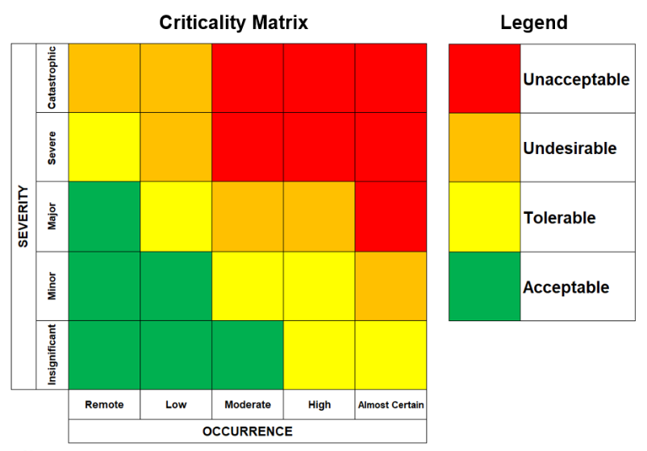

The colours change based on the following criteria:

 | Learning outcomes claimed for all modules: |  | Learning outcomes claimed per module
 |  | 0 |  | 0
 |  | 1 |  | 1-8
 |  | 2-3 |  | 9-15
 |  | >4 |  | >15

Further Guidance on Completing Output Standards Matrix

Engineering programmes must demonstrate through their teaching and assessment methods that graduates have reached the desired threshold level of each of the Output Criteria as specified
in the UK-SPEC document Accreditation of Higher Education Programmes.

Guidance:

· A separate form should be completed for each programme.
· Please refer to the ‘Summary of Learning Outcomes’ tab within the IMechE/AHEP4: Output Standards Matrix where appropriate.

List all the Programme Modules for all years of the programme and indicate against each module where the output criteria statements are addressed and summatively assessed.

Please note that it is expected when an AHEP learning outcome is indicated as being covered, this learning outcome should be delivered and assessed within that module. This includes project modules.
Learning outcomes should only be indicated where they can be guaranteed to be covered by every student taking the module.

Please refer to IMechE AHEP 4 Degree Output Standards and Learning Outcomes for more information on Learning Outcomes.

The accreditation process will consider the coverage of all AHEP learning outcomes by all students irrespective of which combination of optional modules are taken. Where the university allows for a
restricted selection of optional modules, the matrix should indicate this and group these accordingly.

If printing hard copies of this document, use 'page break preview' to ensure all information is included on a single page and print in A3 only.

